Title Page
Project Name: Instacart Basket Analysis
Date: 03/14/2024
Analyst: Felicia Andersen

Contents:
01 Population Flow
02 Consistency checks
03 Wrangling steps
04 Column derivations
05 Visualizations
06 Answer Key & Recommendations

Citation:
“The Instacart Online Grocery Shopping Dataset 2017”, Accessed from www.instacart.com/datasets/grocery-shopping-2017 via Kaggle on 02/07/2024.
NOTE: Some of the customer data and prices were fabricated.

06 Recommendations
Recommendations

RECOMMENDATIONS

1. Customer segmentation: The largest groups are Married, Income under $170K, Regular Customers, and those living in the South. Although these customers earn less income, they generate more revenue, some more often than others. Advertising to these targeted customers every week before their peak shopping days of Saturday and Sunday between 10 am and 4 pm would be ideal. Perhaps on a Wednesday or Thursday in the morning, before 8 am. 2. Spending Power: Customers who have more spending power, spend less at Instacart. Those are customers who earn over $170K. One might look into why these customers are not spending more to gain more sales from this group. They only represent 1% of the overall customer base, but due to their spending power, there's much more potential to grow. 3. Departments: Since Produce is the most popular department, it might be good to incorporate seasonal variations, especially for holidays and seasonal local produce. In other popular departments, such as Dairy Eggs, Snacks, Beverages, and Frozen you can do the same thing. Or even highlight local companies and products. It would also be good to find correlations between products to enhance sales by bundling or cross-selling. 4. Price Range and mix of Products: There's a proposed Low, Mid, and High Range label for different priced items that Instacart is selling. Currently, 66% of total products are in the Mid-range price group. It might be good to review all products, especially those that are underperforming by bundling, offering discounts, and or running promotions. 5. Loyalty Programs: Implementing a loyalty program is a great way to incentivize repeat purchases and reward customer loyalty. Currently, Regular and Loyal customers are the two largest groups in this category. However, there also needs to be a way to encourage New customers to become Regular and/or Loyal customers. Advertising the incentives or rewarding New Customers with introductory discounts might be another option.

ANSWERS KEY TO DATA QUESTIONS

QUESTION | ANSWER | REFERENCE
1. The sales team needs to know what the busiest days of the week and hours of the day are (i.e., the days and times with the most orders) in order to schedule ads at times when there are fewer orders. | Saturdays and Sundays are the busiest days of the week. Tuesdays and Wednesdays are the least busy. | Fig. 1.1

2. They also want to know whether there are particular times of the day when people spend the most money, as this might inform the type of products they advertise at these times. | The peak hours of the day for orders are from 10 am to 4 pm. Most orders occur at 10 am and 11 am. Off-peak hours are between 12 am and 5 am. Higher Average Order Totals are during off-peak hours between 4 am and 10 pm. During peak shopping hours of 10 am and 4 pm (Fig1.2), Average Order Totals are between $119 to $125. It would be good to advertise at these peak times to try to increase Average Order Totals by promoting add-on specials. | Fig. 1.2 Fig. 2.1 Fig. 2.2

3. Instacart has a lot of products with different price tags. Marketing and sales want to use simpler price range groupings to help direct their efforts. | The proposed product price tags: Low-range products: <= $5 Mid-range products: >$5 and <=$15 High Range products: >$15 Instacart carries more Mid-range products which generates the most revenue. The least carried is High Range and it brings in the least revenue. Continue carrying more Mid-range priced products since those are generating more revenue. | Fig. 3.1 Fig. 3.2

4. Are there certain types of products that are more popular than others? The marketing and sales teams want to know which departments have the highest frequency of product orders. | The Produce department generates the most orders and revenue at $72,455,760 which is about 30% of overall sales. Dairy Eggs, Snacks, Beverages, and Frozen are also departments with more frequent orders. | Fig. 4.1 Fig. 4.2

5. The marketing and sales teams are particularly interested in the different types of customers in their system and how their ordering behaviors differ. For example: ○ What’s the distribution among users in regards to their brand loyalty (i.e., how often do they return to Instacart)? | Overall, there are not many differences of customer behavior based on Regions. The main differences are the amount of customers and total revenue. The South Region has the most customers and generates the most revenue. Whereas the Northeast has the least amount of customers and revenue. The Department preferences are the same based on the overall customer base, as seen in Fig 4.1. | Fig. 5.1 Fig. 5.2 Fig. 5b.1

5b. Are there differences in ordering habits based on a customer’s loyalty status? | Regular Customers bring in the most revenue at 51% and place more orders. There are more New than Loyal Customers. However, Loyal Customers bring in more revenue at 33%. New Customers are 42% of customers and bring in the least revenue at 16%. | Fig. 6.1 Fig. 6.2 Fig. 6.3

5c. Are there differences in ordering habits based on a customer’s region? (and loyalty status) | Regular Customers are highest in every Region and bring in the most revenue. The South leads in all Loyalty Status categories. Loyal Customers are the lowest in every Region, but brings in the second highest revenue. The Northeast is last in all Loyalty Status categories. The Department Preferences of Regular and Loyal customers match up to the overall customer base preferences. The Top 10 High Range Price products are within the Meat Seafood department. Top 10 Low Range Price products are within the Produce department. | Fig. 6b.1 Fig. 6b.2 Fig. 6c.1 Fig. 6c.2 Fig. 6d.1 Fig. 6d.2

5d. Is there a connection between age and family status in terms of ordering habits? | The jagged line on the graph above confirms that there is no correlation between age and dependants. It means that a customer can be any age to have a dependant(s). | Fig. 7.1

5e. What different classifications does the demographic information suggest? Age? Income? Certain types of goods? Family status? | There are correlations between Age, Income, and Spending Power. Customers Aged 40 and younger have more income under $200k, while customers Aged over 40 have more income under $300K, with some up to $600K. Customers with income under $170K spend more per order, up to $400 than customers with higher income. Customers with income over $170K spend less per order, up to $200 than customers with less income. In regards to Family Status, Married Customers generate the most revenue. Single Customers are the second highest-generating family status group in overall revenue. | Fig. 7b.1 Fig. 7b.2 Fig. 7b.3

5f. What differences can you find in ordering habits of different customer profiles? Consider the price of orders, the frequency of orders, the products customers are ordering, and anything else you can think of. | Married vs Single Married Customers are a larger group and bring in more revenue than Singles. Department Preferences and Department Normalized Revenue % for both groups are relatively the same. The orders day of the week and hour of day match to the overall customer base. Income under $170K and over $170K Customers with income under $170K account for 99% of customers and revenue. Naturally, their preferences for order days, times, and departments will match with the overall customer base. However, for the customer with income over $170K, which have more spending power, spend less than those with income under $170K. Their orders day of the week are highest on Sundays. The most popular time of day for their orders are at 3pm. They also have some different department preferences. They purchase more Frozen, Meat Seafood, Bakery, Household, Alcohol, and Pet items. | Fig. 7c.1 thru Fig. 7c.5 Fig. 7d.1 thru Fig. 7d.5

05 Visualizations
 |  |  |  |  |  |  |  |  |  |  |  |  | Title page

Visualizations

1. ORDER FREQUENCY: DAY OF THE WEEK & TIME OF DAY


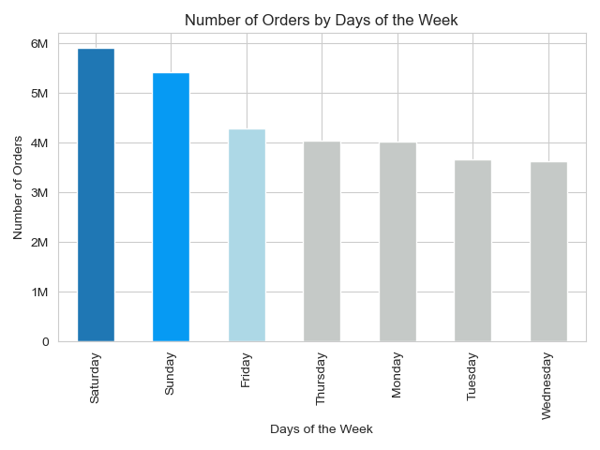

Fig 1.1
Fig 1.2

1. Peak Hours are from 10am to 4pm.
2. Most Orders are made at 10am and 11am.
3. Off Peak Hours are from 12am to 5am.
1. Saturdays and Sundays are when the MOST amount of orders occur.
2. Tuesdays and Wednesdays are when the LEAST amount of orders occur.

2. SALES: DAY OF THE WEEK & TIME OF DAY

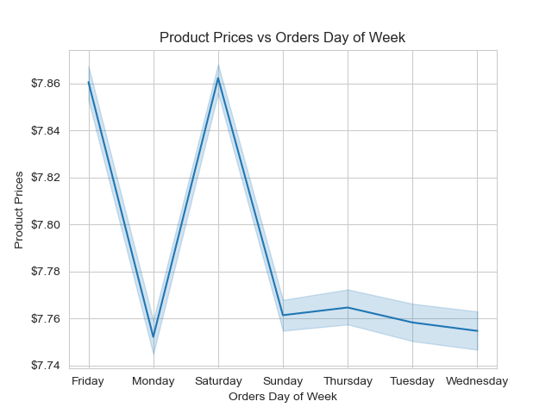
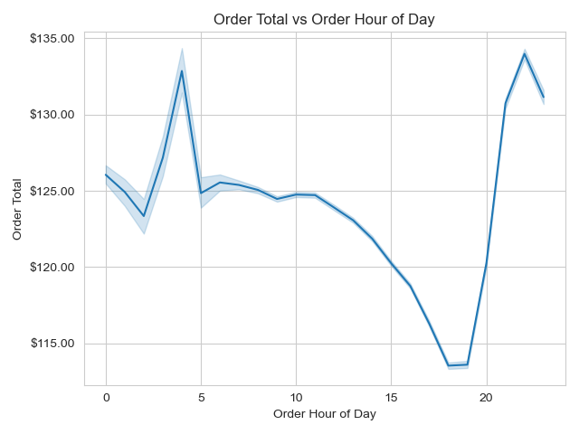

Fig 2.2
Fig 2.1

1. Higher Average Order Totals are during off-peak hours between 4am and 10pm.
2. During peak shopping hours of 10am and 4pm (Fig1.2), Average Order Totals are between $119 to $125.
1. Orders for Higher priced items are purchased on Fridays and Saturdays.
2. The least popular day for shopping and higher product prices are on Wednesdays.

3. PRICE: GROUPS & DISTRIBUTION



PROPOSED PRICE RANGE CATEGORIES
l Low-range products are less than or equal to $5.
l Mid-range products are greater than $5 and less than or equal to $15.
l High range products are greater than $15.

 |  |  |  |  |  |  |  | PRICE RANGE | # OF PRODUCTS | REVENUE
 |  |  |  |  |  |  |  | Low-range | 16,280 | $29,255,100.00
 |  |  |  |  |  |  |  | Mid-range | 32,802 | $203,836,368.00
 |  |  |  |  |  |  |  | High range | 547 | $8,102,771.50

Fig 3.2
Fig 3.1

4. DEPARTMENT & PRODUCTS

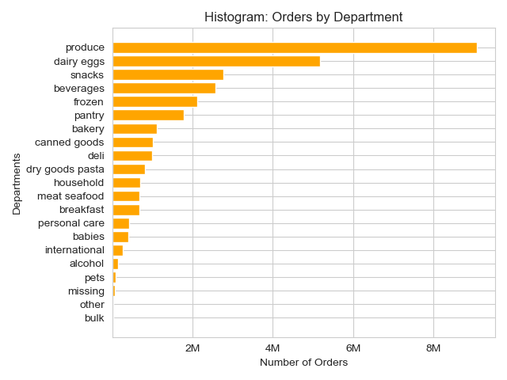
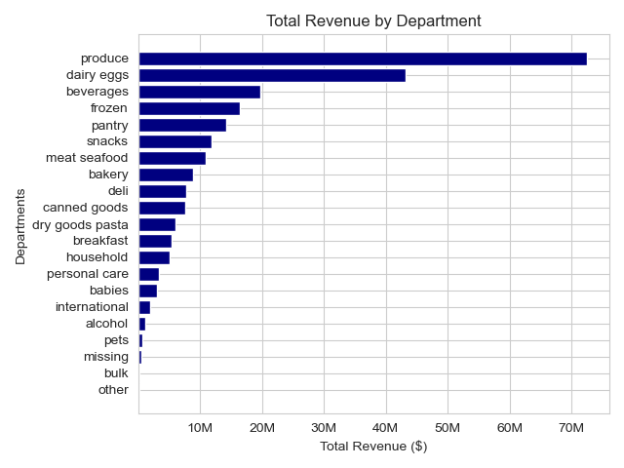

Fig 4.2
Fig 4.1

1. Produce department has products purchased most frequently.
2. Missing, Other, and Bulk departments are the least purchased.
1. Produce department generates the most revenue at $72,455,760 which is about 30% of overall sales.
2. Missing, Bulk, and Other departments generate the least revenue.
3. Snacks department is bought frequently, but generates less revenue based on product prices.

TOP 10 PRODUCTS
BOTTOM 10 PRODUCTS

 | DEPARTMENT | PRODUCT |  | REVENUE |  |  |  | DEPARTMENT | PRODUCT |  | REVENUE
 | Produce | Banana |  | $5,573,917.50 |  |  |  | International | Mung Dal with Spinach |  | $1.60
 |  | Bag of Organic Bananas |  | $3,773,951.00 |  |  |  | Frozen | Flatbread Pizza All Natural |  | $1.60
 |  | Large Lemon |  | $2,035,558.00 |  |  |  | Missing | Original Jerky |  | $1.50
 |  | Limes |  | $1,980,839.63 |  |  |  | Pantry | Jamaican Allspice |  | $1.50
 |  | Organic Baby Spinach |  | $1,900,530.38 |  |  |  |  | Tikka Masala Simmering Sauce |  | $1.40
 |  | Organic Strawberries |  | $1,868,712.50 |  |  |  |  | Bourbon Vanilla Bean |  | $1.40
 | Dairy Eggs | Organic Whole Milk |  | $1,708,979.25 |  |  |  | Alcohol | Chardonnay Carneros |  | $1.30
 | Produce | Cucumber Kirby |  | $1,222,478.38 |  |  |  | Personal care | Glycerine Soap Cucumber |  | $1.10
 |  | Apple Honeycrisp Organic |  | $1,161,120.88 |  |  |  | Dairy Eggs | 2 % Reduced Fat Milk |  | No Sales
 |  | Organic Cucumber |  | $1,108,235.75 |  |  |  |  | Lowfat 2% Milkfat Cottage Cheese |  | No Sales
Fig 4.3
Fig 4.4

5. REGIONS

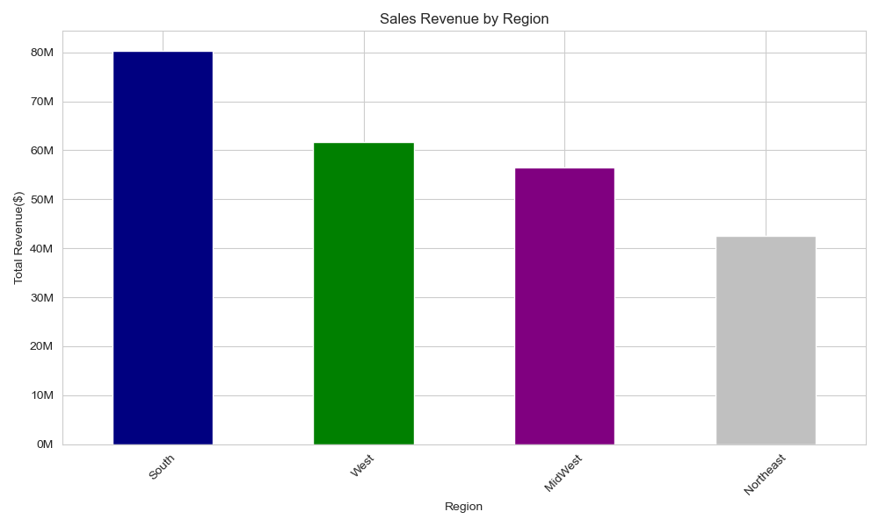
REGIONAL STATS

 |  |  |  |  |  |  |  |  | REGION | CUSTOMERS | REVENUE
 |  |  |  |  |  |  |  |  | South | 54,193 | $80,356,320.00
 |  |  |  |  |  |  |  |  | West | 41,481 | $61,746,424.00
 |  |  |  |  |  |  |  |  | MidWest | 38,376 | $56,574,612.00
 |  |  |  |  |  |  |  |  | Northeast | 28,581 | $42,516,876.00
Fig 5.2

1. Most revenue and customers are located in the South.
2. The South Region accounts for 33% of overall sales.
3. Least revenue and customers are located in the Northeast.

Fig 5.1

5b. REGIONS: DEPARTMENT PREFERENCES

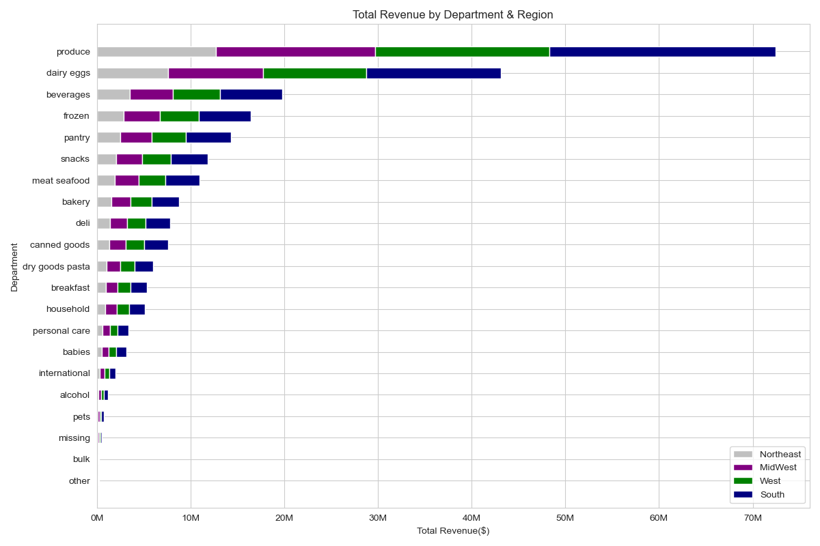
1. All Regions have the same preferences. Which aligns with sales based on department preferences.
2. South has the most revenue across all departments. This aligns with the regional stats in figure 5.2.
3. Produce, Dairy Eggs, and Beverages bring in the most revenue.
4. Missing, Bulk, and Other bring in the least revenue.

Fig 5b.1

6. CUSTOMER: LOYALTY STATUS

LOYALTY STATUS CATEGORIES
l New Customer: If max orders are equal to or less than 10.
l Regular Customer: If max orders are more than 10 and equal to or less than 40.
l Loyal Customer: If max orders are more than 40.
 |  |  |  |  |  |  |  |  | LOYALTY STATUS | CUSTOMERS | REVENUE
 |  |  |  |  |  |  |  |  | New | 68,750 | $37,469,804.00
 |  |  |  |  |  |  |  |  | Loyal | 17,017 | $79,933,824.00
 |  |  |  |  |  |  |  |  | Regular | 76,684 | $123,790,608.00
Fig 6.1

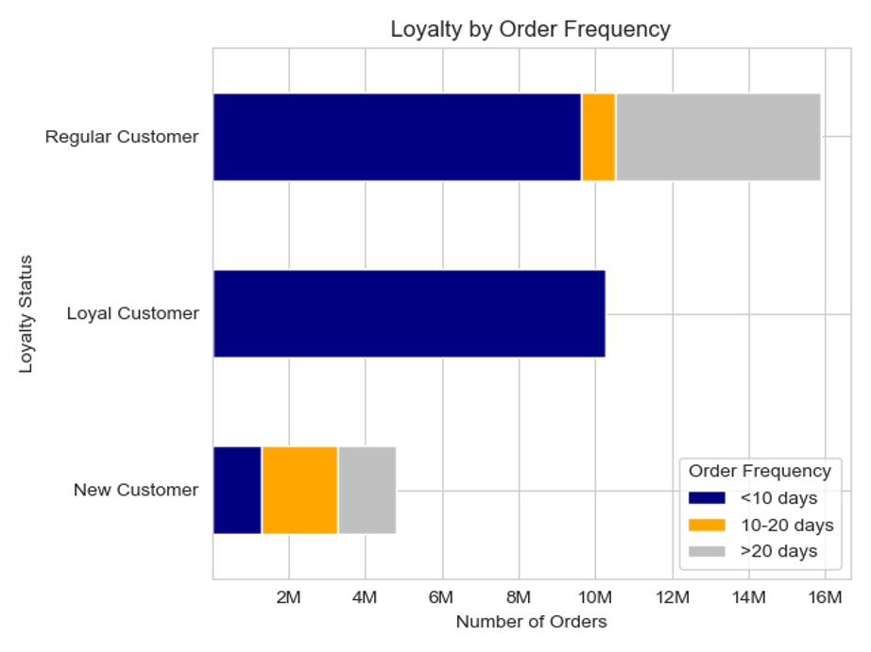
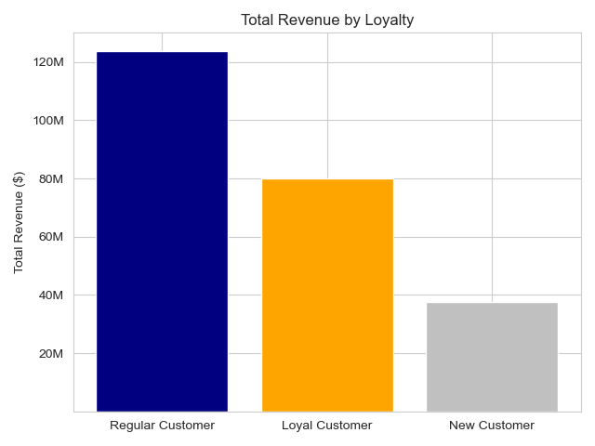

Fig 6.2
Fig 6.3

1. Regular Customers bring in the most revenue at 51% .
2. There are more New than Loyal Customers. However, Loyal Customers bring in more revenue at 33%.
3. New Customers are 42% of customers and bring in the least revenue at 16%.
1. Regular Customers have placed the most orders.
2. Regular and Loyal Customers place orders more frequently.
3. New Customers have placed the least orders and Order Frequency is between 10-20 days.

6b. CUSTOMER: LOYALTY BY REGION

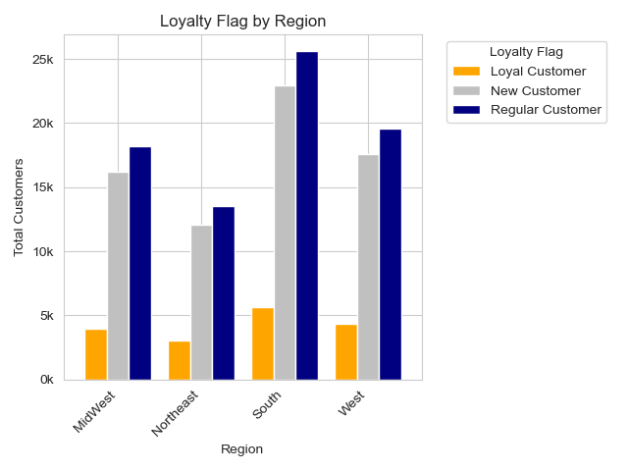
 |  |  |  |  |  |  | REGION | LOYALTY STATUS | CUSTOMERS | REVENUE
 |  |  |  |  |  |  | South | New | 22,947 | $12,435,205
 |  |  |  |  |  |  |  | Regular | 25,609 | $41,434,200
 |  |  |  |  |  |  |  | Loyal | 5,637 | $26,486,918
 |  |  |  |  |  |  | West | New | 17,551 | $9,608,579 | 76,864
 |  |  |  |  |  |  |  | Regular | 19,568 | $31,448,930
 |  |  |  |  |  |  |  | Loyal | 4,362 | $20,688,918
 |  |  |  |  |  |  | MidWest | New | 16,190 | $8,871,718
 |  |  |  |  |  |  |  | Regular | 18,195 | $29,248,180
 |  |  |  |  |  |  |  | Loyal | 3,991 | $18,454,716
 |  |  |  |  |  |  | Northeast | New | 12,062 | $6,554,303
 |  |  |  |  |  |  |  | Regular | 13,492 | $21,659,298
 |  |  |  |  |  |  |  | Loyal | 3,027 | $14,303,275
Fig 6b.2

1. Regular Customers are highest in every Region and bring in the most revenue. The South leads in all Loyalty Status categories.
2. Loyal Customers are the lowest in every Region, but brings in the second highest revenue.
3. The Northeast is last in all Loyalty Status categories.

Fig 6b.1

6c. CUSTOMER: LOYALTY DEPARTMENT PREFERENCES

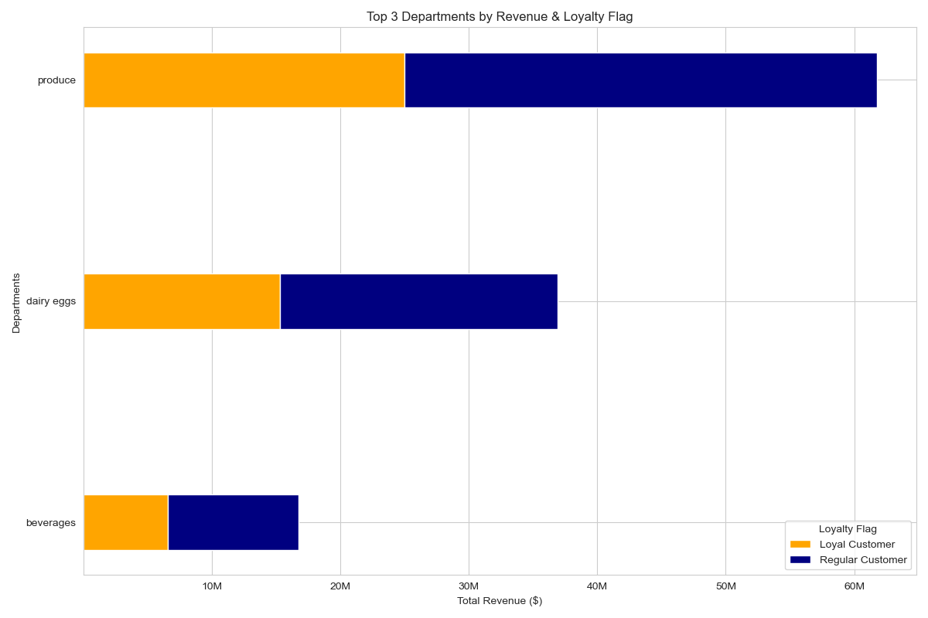
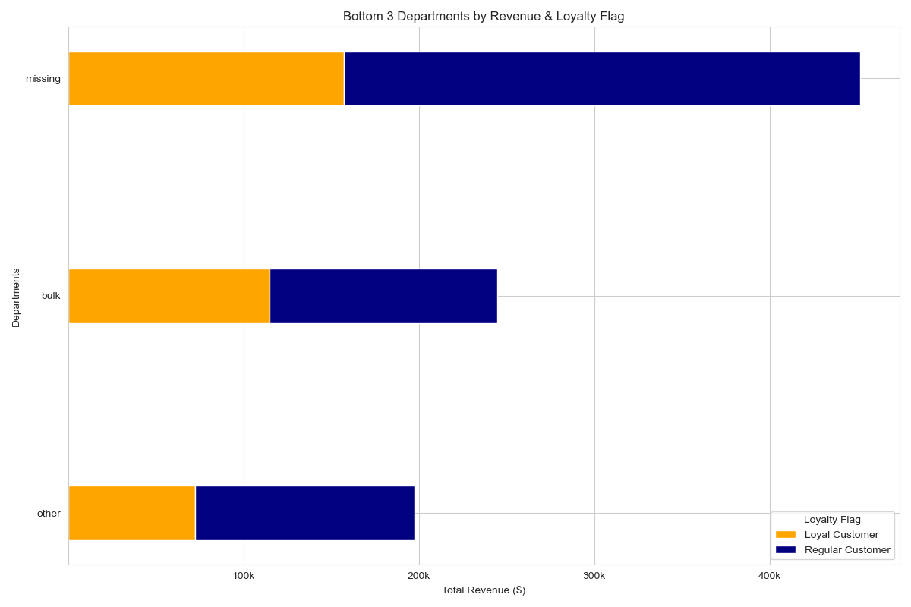

Fig 6c.1
Fig 6c.2

1. The Top 3 Departments for Loyal and Regular Customers are Produce, Dairy Eggs, and Beverages. Matches the overall and region department preferences.
2. The Bottom 3 Departments for Loyal and Regular Customers are Missing, Bulk, and Other. Matches the overall and region department preferences.

6d. CUSTOMER: LOYALTY PRODUCT PRICE PREFERENCES

TOP 10 HIGH RANGE PRODUCTS
TOP 10 LOW RANGE PRODUCTS

LOYALTY STATUS | DEPARTMENT | PRODUCT |  | PRICE | REVENUE |  | LOYALTY STATUS | DEPARTMENT | PRODUCT |  | PRICE | REVENUE
Regular Customer | Meat Seafood | Ground Turkey Breast |  | $19.60 | $268,872.81 |  | Regular Customer | Produce | Organic Hass Avocado |  | $4.00 | $394,360.00
 |  | Organic Turkey Bacon |  | $24.20 | $181,040.20 |  |  |  | Organic Raspberries |  | $4.40 | $270,644.00
 |  | Organic Beef Hot Dogs |  | $22.30 | $178,533.80 |  |  |  | Organic Baby Arugula |  | $4.90 | $177,071.30
 |  | 85% Lean Ground Beef |  | $23.20 | $150,591.20 |  |  | Beverages | Sparkling Water Grapefruit |  | $4.20 | $155,723.39
 |  | Boneless Skinless Chicken Thighs |  | $25.00 | $134,725.00 |  |  |  | Organic Cilantro |  | $4.50 | $152,932.50
 |  | Organic Chicken & Apple Sausage |  | $21.10 | $129,005.40 |  |  |  | Organic Lemon |  | $3.60 | $151,002.00
 |  | Tilapia Filet |  | $18.20 | $128,619.41 |  |  |  | Red Vine Tomato |  | $4.50 | $122,634.00
 |  | Organic Beef Uncured Hot Dogs |  | $21.10 | $122,991.90 |  |  |  | Organic Peeled Whole Baby Carrots |  | $3.80 | $102,060.40
 |  | 90% Lean Ground Beef |  | $23.10 | $87,318.00 |  |  |  | Organic Garnet Sweet Potato (Yam) |  | $4.10 | $100,273.70
 |  | Applewood Smoked Bacon |  | $24.70 | $86,425.30 |  |  |  | Honeycrisp Apple |  | $2.50 | $98,652.50
Loyal Customer | Meat Seafood | Ground Turkey Breast |  | $19.60 | $165,933.61 |  | Loyal Customer | Produce | Organic Hass Avocado |  | $4.00 | $336,828.00
 |  | Organic Beef Hot Dogs |  | $22.30 | $156,434.50 |  |  |  | Organic Raspberries |  | $4.40 | $247,680.41
 |  | Organic Turkey Bacon |  | $24.20 | $130,728.41 |  |  |  | Organic Baby Arugula |  | $4.90 | $116,174.10
 |  | Organic Chicken & Apple Sausage |  | $21.10 | $105,078.00 |  |  |  | Organic Lemon |  | $3.60 | $114,861.59
 |  | Tilapia Filet |  | $18.20 | $97,570.20 |  |  | Beverages | Sparkling Water Grapefruit |  | $4.20 | $104,705.99
 |  | Organic Beef Uncured Hot Dogs |  | $21.10 | $96,912.30 |  |  |  | Organic Cilantro |  | $4.50 | $101,808.00
 |  | Boneless Skinless Chicken Thighs |  | $25.00 | $76,600.00 |  |  |  | Organic Garnet Sweet Potato (Yam) |  | $4.10 | $80,495.30
 |  | 85% Lean Ground Beef |  | $23.20 | $71,108.00 |  |  |  | Red Vine Tomato |  | $4.50 | $72,954.00
 |  | Applewood Smoked Bacon |  | $24.70 | $56,958.20 |  |  |  | Organic Peeled Whole Baby Carrots |  | $3.80 | $71,565.40
 |  | Organic Chicken Thighs |  | $18.60 | $56,544.00 |  |  |  | Honeycrisp Apple |  | $2.50 | $65,940.00
Fig 6d.1
Fig 6d.2

1. The Top 10 High Range Price products are all within the Meat Seafood department.
2. The Top 10 Low Range Price products are mostly within the Produce department.
3. Both Regular and Loyal Customers have fairly similar product preferences in the High and Low Range Price categories.

7. CUSTOMERS: AGE & FAMILY STATUS

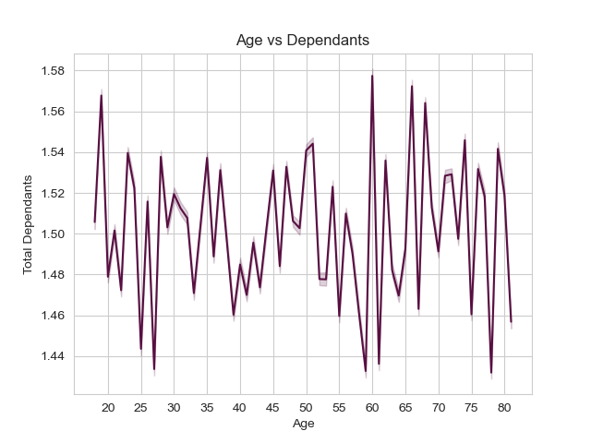

1. The jagged line on the graph above confirms that there is no correlation between age and dependants. It means that a customer can be any age to have a dependant(s).

Fig 7.1

7b. CUSTOMERS: AGE, INCOME & SPENDING POWER

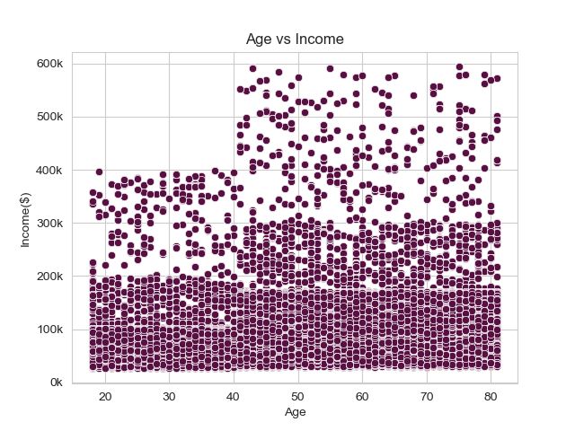
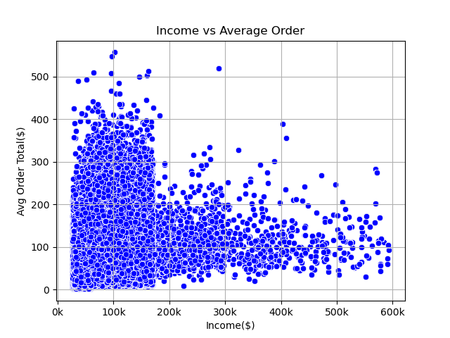

Fig 7b.1
Fig 7b.2

1. Ages 40 and younger have more income under $200k, with some up to $400K.
2. Ages over 40 have more income under $300K, with some up to $600K.
1. Customers with income under $170K spend more per order, up to $400 than customers with higher income.
2. Customers with income over $170K spend less per order, up to $200 than customers with less income.

CUSTOMER DEMOGRAPHICS

FAMILY STATUS | AGE RANGE | INCOME RANGE | REVENUE | CUSTOMERS
divorced/ widowed | 45 to 64 | < $67.2k | $539,567.13 | 574
 |  | $67.2k to $96.7k | $708,466.13 | 388
 |  | $96.7k to $128k | $1,698,926.38 | 1,044
 |  | Over $128k | $1,912,886.13 | 1,122
 | Over 65 | < $67.2k | $1,686,413.75 | 1,945
 |  | $67.2k to $96.7k | $2,177,399.25 | 1,285
 |  | $96.7k to $128k | $5,787,677.50 | 3,592
1. Married Customers are where most sales are from, over the age of 21.
2. Younger Married Customers with income under $97k and Older Married Customers with income over $96k have purchased more.
3. Single Customers are the second highest demographic in overall sales.
4. Younger Single Customers with income under $97k and Older Single Customers with income over $97k have also purchased more.
 |  | Over $128k | $6,121,027.50 | 3,881
living with parents and siblings | Under 21 | < $67.2k | $3,821,672.00 | 2,819
 |  | $67.2k to $96.7k | $4,192,749.00 | 2,513
 |  | $96.7k to $128k | $550,020.88 | 368
 |  | Over $128k | $98,962.30 | 39
 | 21 to 44 | < $67.2k | $1,223,585.25 | 878
 |  | $67.2k to $96.7k | $1,423,937.50 | 854
 |  | $96.7k to $128k | $200,408.00 | 120
 |  | Over $128k | $41,196.00 | 17
married | 21 to 44 | < $67.2k | $25,573,618.00 | 19,306
 |  | $67.2k to $96.7k | $26,523,254.00 | 16,390
 |  | $96.7k to $128k | $7,655,929.00 | 4,749
 |  | Over $128k | $5,128,464.00 | 3,034
 | 45 to 64 | < $67.2k | $6,410,519.50 | 7,109
 |  | $67.2k to $96.7k | $7,499,536.00 | 4,693
 |  | $96.7k to $128k | $20,474,670.00 | 12,658
 |  | Over $128k | $21,980,374.00 | 13,810
 | Over 65 | < $67.2k | $5,388,175.00 | 5,948
 |  | $67.2k to $96.7k | $6,651,402.00 | 4,065
 |  | $96.7k to $128k | $17,238,296.00 | 10,844
 |  | Over $128k | $18,837,976.00 | 11,690
single | Under 21 | < $67.2k | $1,221,451.25 | 953
 |  | $67.2k to $96.7k | $1,247,572.25 | 827
 |  | $96.7k to $128k | $179,737.80 | 120
 |  | Over $128k | $25,883.50 | 17
 | 21 to 44 | < $67.2k | $9,054,116.00 | 6,990
 |  | $67.2k to $96.7k | $9,309,235.00 | 5,646
 |  | $96.7k to $128k | $2,649,363.50 | 1,705
 |  | Over $128k | $1,720,716.13 | 1,043
 | 45 to 64 | < $67.2k | $1,593,448.38 | 1,748
 |  | $67.2k to $96.7k | $1,809,902.38 | 1,182
 |  | $96.7k to $128k | $5,187,550.00 | 3,207
 |  | Over $128k | $5,648,153.00 | 3,458
Fig 7b.3

7c. CUSTOMERS: ORDERING HABITS - MARRIED vs SINGLE

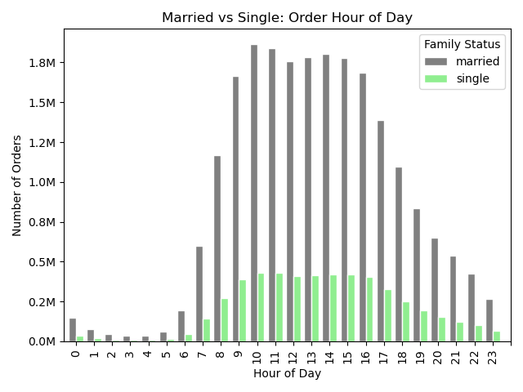
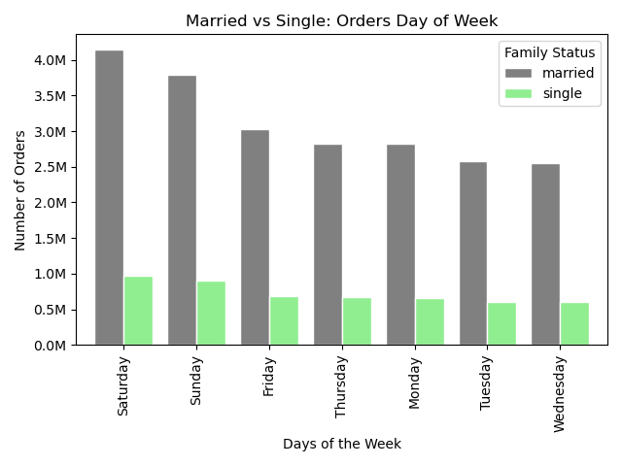

Fig 7c.1
Fig 7c.2

1. Saturdays and Sundays are when the MOST amount of orders occur.
2. Tuesdays and Wednesdays are when the LEAST amount of orders occur.
NOTE: Married and Single Order days and times are consistent with overall customer preferences.
1. Peak Hours are from 10am to 4pm.
2. Most Orders are made at 10am and 11am.
3. Off Peak Hours are from 12am to 5am.

 | DEPT PREFERENCES: MARRIED |  |  |  |  |  |  |  | DEPT PREFERENCES: SINGLE
 | DEPARTMENTS | REVENUE | NORMALIZED% |  | FAMILY STATUS | CUSTOMERS | REVENUE |  | DEPARTMENTS | REVENUE | NORMALIZED%
 | produce | $50,828,836.00 | 30.01% |  | Married | 70% | 70% |  | produce | $11,962,690.00 | 30.17%
 | dairy eggs | $30,238,498.00 | 17.85% |  | Single | 17% | 16% |  | dairy eggs | $7,097,949.00 | 17.90%
Fig 7c.3
 | beverages | $13,890,907.00 | 8.20% |  |  |  |  |  | beverages | $3,261,105.00 | 8.23%
 | frozen | $11,520,307.00 | 6.80% |  |  |  |  |  | frozen | $2,670,064.00 | 6.73%
 | pantry | $10,041,433.00 | 5.93% |  |  |  |  |  | pantry | $2,338,739.00 | 5.90%
1. Married Customers are a larger group and bring in more revenue than Singles.
2. Department Preferences and Department Revenue % for both groups are relatively the same.
 | snacks | $8,317,028.00 | 4.91% |  |  |  |  |  | snacks | $1,942,244.00 | 4.90%
 | meat seafood | $7,775,379.50 | 4.59% |  |  |  |  |  | meat seafood | $1,757,965.00 | 4.43%
 | bakery | $6,177,559.00 | 3.65% |  |  |  |  |  | bakery | $1,451,655.00 | 3.66%
 | deli | $5,460,954.50 | 3.22% |  |  |  |  |  | deli | $1,296,405.00 | 3.27%
 | canned goods | $5,384,041.50 | 3.18% |  |  |  |  |  | canned goods | $1,254,680.00 | 3.16%
 | dry goods pasta | $4,250,257.50 | 2.51% |  |  |  |  |  | dry goods pasta | $984,835.10 | 2.48%
 | breakfast | $3,783,144.50 | 2.23% |  |  |  |  |  | breakfast | $884,429.90 | 2.23%
 | household | $3,657,763.50 | 2.16% |  |  |  |  |  | household | $831,323.50 | 2.10%
 | personal care | $2,381,524.75 | 1.41% |  |  |  |  |  | personal care | $560,630.90 | 1.41%
 | babies | $2,198,629.50 | 1.30% |  |  |  |  |  | babies | $522,457.40 | 1.32%
 | international | $1,378,228.62 | 0.81% |  |  |  |  |  | international | $326,295.10 | 0.82%
 | alcohol | $815,329.69 | 0.48% |  |  |  |  |  | alcohol | $198,972.20 | 0.50%
 | pets | $504,110.41 | 0.30% |  |  |  |  |  | pets | $125,598.10 | 0.32%
 | missing | $393,185.19 | 0.23% |  |  |  |  |  | missing | $94,332.40 | 0.24%
 | bulk | $198,557.50 | 0.12% |  |  |  |  |  | bulk | $44,323.80 | 0.11%
 | other | $166,535.09 | 0.10% |  |  |  |  |  | other | $40,439.70 | 0.10%
Fig 7c.4
Fig 7c.5

7d. CUSTOMERS: ORDERING HABITS - LOW vs HIGH INCOME

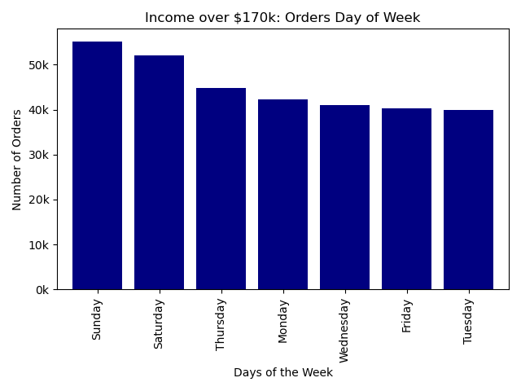
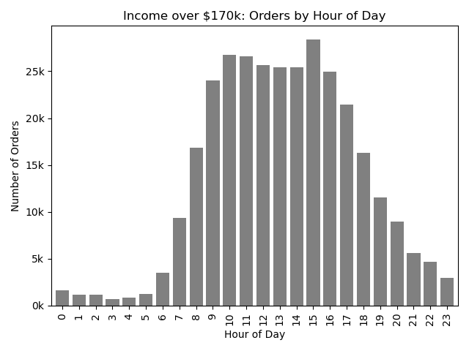

Fig 7d.2

Fig 7d.1

1. Sundays are when the MOST amount of orders occur for customers with Income over $170k.
2. Fridays and Tuesdays are when the LEAST amount of orders occur.
NOTE: Showing orders day of week and hour of day for customers with income over $170k since it's a smaller group.
1. Peak Hours are from 9am to 4pm.
2. Most Orders are made at 3pm.
3. Off Peak Hours are from 12am to 5am.

 |  |  |  |  | INCOME | CUSTOMERS | REVENUE
 |  |  |  |  | Under $170k | 99% | 99%
 |  |  |  |  | Over $170k | 1% | 1%
Fig 7d.3
 | DEPT PREFERENCES: INCOME UNDER $170k |  |  |  |  |  |  |  | DEPT PREFERECES: INCOME OVER $170k
 | DEPARTMENTS | REVENUE | NORMALIZED% |  |  |  |  |  | DEPARTMENTS | REVENUE | NORMALIZED%
 | produce | $71,953,700.00 | 30.14% |  |  |  |  |  | produce | $502,055.19 | 20.64%
 | dairy eggs | $42,695,760.00 | 17.88% |  |  |  |  |  | dairy eggs | $422,501.81 | 17.37%
1. Customers with Income over $170K are 1% of the customer base and overall revenue. These customers have more spending power, and it is where the business needs to grow.
2. Customers with Income over $170K do show some differences in department preferences. They purchase more Frozen, Meat Seafood, Bakery, Household, Alcohol, and Pet items.
 | beverages | $19,524,350.00 | 8.18% |  |  |  |  |  | beverages | $234,421.20 | 9.64%
 | frozen | $16,213,130.00 | 6.79% |  |  |  |  |  | frozen | $195,750.41 | 8.05%
 | pantry | $14,138,420.00 | 5.92% |  |  |  |  |  | pantry | $149,036.59 | 6.13%
 | snacks | $11,706,560.00 | 4.90% |  |  |  |  |  | meat seafood | $130,424.60 | 5.36%
 | meat seafood | $10,868,530.00 | 4.55% |  |  |  |  |  | snacks | $121,363.10 | 4.99%
 | bakery | $8,687,410.00 | 3.64% |  |  |  |  |  | bakery | $119,475.90 | 4.91%
 | deli | $7,743,846.00 | 3.24% |  |  |  |  |  | household | $107,282.00 | 4.41%
 | canned goods | $7,553,579.00 | 3.16% |  |  |  |  |  | canned goods | $84,199.70 | 3.46%
 | dry goods pasta | $5,977,036.00 | 2.50% |  |  |  |  |  | deli | $69,342.60 | 2.85%
 | breakfast | $5,324,126.00 | 2.23% |  |  |  |  |  | dry goods pasta | $65,145.40 | 2.68%
 | household | $5,057,628.00 | 2.12% |  |  |  |  |  | breakfast | $63,903.80 | 2.63%
 | personal care | $3,355,448.00 | 1.41% |  |  |  |  |  | alcohol | $63,294.80 | 2.60%
 | babies | $3,113,804.00 | 1.30% |  |  |  |  |  | personal care | $38,467.10 | 1.58%
 | international | $1,947,044.00 | 0.82% |  |  |  |  |  | pets | $19,400.50 | 0.80%
 | alcohol | $1,115,516.00 | 0.47% |  |  |  |  |  | babies | $19,292.50 | 0.79%
 | pets | $714,609.20 | 0.30% |  |  |  |  |  | international | $18,658.40 | 0.77%
 | missing | $557,531.90 | 0.23% |  |  |  |  |  | other | $5,056.60 | 0.21%
 | bulk | $278,999.70 | 0.12% |  |  |  |  |  | missing | $3,401.40 | 0.14%
 | other | $234,512.60 | 0.10% |  |  |  |  |  | bulk | $213.10 | 0.01%
Fig 7d.4
Fig 7d.5

04 Column derivations
 |  |  |  |  | Title page

Column derivations and aggregations

Dataset | Dataset Name | New column | Column/s it was derived from | Conditions
ords.csv | df_ords | first_or_repeat_order | days_since_prior_order | If days_since_last_order is null, then it will be labeled as First Order (this help explains the NaNs in the 'days_since_prior_order'
ords_prods_merge.pkl | df_ords_prods_merge | price_label | prices | If 'prices' is less than or equal to 5, then label as Low-Range Product to price_label column If 'prices' is greater than 5 AND less than or equal to 15, then label as Mid-Range Product to price_label column If 'price' is greater than 15, then label as High-Range Product to price_label column If not any of the above, then return 'Not Enough Data'
ords_prods_merge.pkl | df_ords_prods_merge | busiest_day | orders_day_of_week | If 'orders_day_of_week' is equal to 0 then label as 'Busiest day' If 'order_day_of_week' is equalto 4 then label as 'Least busy' All else will be labeled as 'Regulary busy'
 | df_ords_prods_merge | busiest_days | orders_day_of_week | If 'order_day_of_week' is 0 OR 1, label as 'Busiest Days' If "order_day_of_week' is 3 OR 4, label as 'Slowest Days' All else will be labeled as 'Regularly busy'
 | df_ords_prods_merge | busiest_period_of_day | order_hour_of_day | If 'order_hour_of_day' is equal to 10, 11, 14, 15, 13, 12, 16, or 9, label as 'Most Orders' If 'order_hour_of_day' is equal to 17, 8, 18, 19, 20, 7, 21, or 22, label as 'Average Orders' All else will be labeled as 'Fewest Orders'
ords_prods_merge_derived.pkl | df_ords_prods_merge | max_order | order_number | create a max_orders column: group by 'user_id' and get the max 'order_numbers'
 | df_ords_prods_merge | loyalty_flag | max_order | If max orders are more than 40, then label as Loyal Customer If max orders are equal to or less than 40 AND more than 10, then label as Regular Customer If max orders are equal to or less than 10, then label as New Customer
 | df_ords_prods_merge | mean_product_price | prices | create a mean_product_price column: group by 'user_id' and get the mean of 'prices'
 | df_ords_prods_merge | spending_flag | mean_product_price | If mean product price is less than 10, label as Low Spender If mean product price is more than or equal to 10, then label as High Spender
 | df_ords_prods_merge | median_days_between_orders | days_since_prior_orders | create a median_days_between_orders column: group by 'user_id' and get the median of 'days_since_prior_order'
 | df_ords_prods_merge | order_frequency_flag | median_days_between_orders | If median days between orders is more than 20, then label as Non-frequent customer If median days between orders is more than 10 AND less than or equal to 20, then label as Regular customer If median days between orders is less than or equal to 10, then label as Frequent customer
ords_prods_grouped.pkl | df | sum_order | prices | create a sum_order column: group by 'order_id' and get the sum of 'prices'
ords_prods_customers_rev2 & departments_wrangled | df_all | Region | State | created region categories of Northeast, Midwest, South, and West: Northeast = ['Maine', 'New Hampshire', 'Vermont', 'Massachusetts', 'Rhode Island', 'Connecticut', 'New York', 'Pennsylvania', 'New Jersey'] Midwest = ['Wisconsin', 'Michigan', 'Illinois', 'Indiana', 'Ohio', 'North Dakota', 'South Dakota', 'Nebraska', 'Kansas', 'Minnesota', 'Iowa', 'Missouri'] South = ['Delaware', 'Maryland', 'District of Columbia', 'Virginia', 'West Virginia', 'North Carolina', 'South Carolina', 'Georgia', 'Florida', 'Kentucky', 'Tennessee', 'Mississippi', 'Alabama', 'Oklahoma', 'Texas', 'Arkansas', 'Louisiana'] West = ['Idaho', 'Montana', 'Wyoming', 'Nevada', 'Utah', 'Colorado', 'Arizona', 'New Mexico', 'Alaska', 'Washington', 'Oregon', 'California', 'Hawaii']
 |  | exclusion_flag | max_order | create a low activity exclusion flag, and remove those customers from analysis: if max_order is < 5, then exclusion flag = 1 (low-activity customers to exclude) if max order is >=5, then exclusion flag = 0
same (just new df based on exclusion before saving) | df_excluded | Age_Range | Age | #Create Age_Range column (0=Young, 1=Adult, 2=Middle-Aged, 3=Senior): if Age is <=21, flag as 0 if Age is >=21 & ,=44, flag as 1 if Age is >=45 & <=64, flag as 2 if Age is >=65, flag as 3
 |  | Income_Range | Income | #income range parameters based on quartiles and create new column: if income is < 67292, flag as 1 if income is >=67292 & <=96764, flag as 2 if income is >=96765 & <=128101, flag as 3 if income is >=128102, flag as 4
 |  | pet_items | department | #Set'pet_items' flag: if there is an order in department 'pet' then flag as 1, else 0
 |  | baby_items | department | #Set'babies_items' flag: if there is an order in department 'babies' then flag as 1, else 0
 |  | snacks | department | #Set'snacks' flag: if there is an order in department 'snacks' then flag as 1, else 0
 |  | frozen | department | #Set'frozen' flag: if there is an order in department 'frozen' then flag as 1, else 0
 |  | alcohol | department | #Set'alcohol' flag: if there is an order in department 'alcohol' then flag as 1, else 0
instacart_excluded.pkl | df | Single_MF | gender & family status | #Single Male: if gender = Male & family status = single, flag as 0 #Single Female: if gender = Female & family status = single, flag as 1 Else, flag as 2
 |  | Adult_Parent | family status, age & dependants | if family status = married & age range = 1 (21-44 yrs old) & total dependants >0, flag as 1 Else, flag as 0
 |  | Married | family status | if family status = married, flag as 1 Else, flag as 0
instacart_excluded_rev.pkl | df | mean_sum_order | sum_order | groupby user_id and sum__order and transform(mean) #this will give an avg order total per user to compare against income

03 Wrangling steps
 |  |  |  |  | Title page
Wrangling steps

Dataset | Columns dropped | Columns renamed | Columns' type changed | Comment/Reason
orders |  | df_ords.order_dow |  | changed to df_ords.orders_day_of_week
ords_prods_combined | _merge |  |  | needed to drop in order to merge df_prods with df_ords_prods (combined)
ords_prods_merge(prior) | unnamed: 0 |  |  | mistake using the index_col=False on previous imports
 | unnamed: 0.1 |  |  | mistake using the index_col=False on previous imports
 | _merge |  |  | unneccesary column from last merge on df_ords_prods_merge
 |  | price_range_loc/price_label |  | renamed frm exercise as it should have been price_label
 |  |  | df_ords_prods_merge.prices | turn outliers into NaNs (np.nan)
customers | First Name |  |  | Created vars_list, do not import column into df_customers (not needed)
 | Surnam |  |  | Created vars_list, do not import column into df_customers (not needed)
 |  | STATE to State
 |  | n_dependants to total_dependants
 |  | fam_status to family_status
ords_prods_customers (ALL) |  |  | date_joined | df_customers, date_joined changed from dtype int64 to datetime (MDY)
ords_prods_customers (ALL) |  |  | order_id, user_id, product_id, aisle_id, department_id | to reduce Memory: changed to str
ords_prods_customers (ALL) |  |  | order_number, reordered ,max_order, Age, total_dependants | to reduce Memory: changed from int64 to int8
ords_prods_customers (ALL) |  |  | days_since_prior_order, 'median_days_between_orders,prices, mean_product_price, sum_order | to reduce Memory: changed from float64 to float32
ords_prods_customers (ALL) |  |  | add_to_cart_order | to reduce Memory: changed from int64 to uint8
ords_prods_customers (ALL) |  |  | orders_day_of_week, order_hour_of_day | int64 to category (file went from 8.0+GB to 4.7GB)
ords_prods_customers (ALL) | eval_set, first_or_repeat_order, aisle_id, busiest_day, date_joined |  |  | not needed for analysis and want to cut down on RAM
ords_prods_customers (ALL) |  |  | exclusion_flag, Age_Range, pet_items, baby_items, snacks, frozen, alcohol, Single_MF, Adult_Parent, Married | changed to int8 to save on RAM

02 Consistency checks
 |  |  |  | Title page
Consistency checks

Dataset | Missing values | Missing values treatment | Duplicates
orders | days_since_last_order | The missing values are fine in context, since a blank cell means it was the first order placed. That is why the first_or_repeat_order column was created to explain the reason. | none
products | product_name (16) | removed 6 rows, created new df | 5 rows removed
orders_products_prior | none | none | none
ords_prods_merge | prices: 5,127 | left, as NaN values were created for price outliers >100 in task 4.8 | none
customers | first_name: 11,259 | not needed as first name and surnam will be dropped due to PII. | none
departments | none | none | none

01 Population Flow
Title page

Population flow

Exclusion flag
Condition: max_order < 5
Obervations to be removed: 1,440,295
Final total count of order_products_all: 30,964,564

Orders_products_combined
Orders_products_merged
Orders_products_derived
Orders_products_grouped
Orders_products_all

Total: 32,404,859 rows, 19 columns
Total: 32,404,859 rows, 25 columns
Total: 32,434,489 rows, 14 columns
Total: 32,404,859 rows, 14 columns
Total: 32,404,859 rows, 33 columns

